2022 Total Executive Appointmen
This sheet shows Commitment and 2022 Total Executive Appointments tables with accompanying notes.
Social Performance
Diversity and Inclusion
Table of Contents
Commitment1 | Blank | Progress | Blank2 | 2022 Result
Women in 45% of roles titled Vice President and above in Canada, by 20252 |  | On track | ✓ | 40.3%
Increase minority representation at executive levels across North America, achieving 25% Black, Indigenous and minority by 2025 |  | On track |  | 22.5%
Double the representation of Black executives at TD in North America by end of 2022 |  | Met |  | 100%3

1 All executive appointments include roles Vice President and above (VP+); this excludes non-titled TDBG officers. All commitments are relative to a July 31, 2020 baseline.
2 Women in VP+ roles commitment is applicable to TDBG Canadian businesses.
3 Result reflects progress towards commitment.

2022 Total Executive Appointments1,2,3
Global – Executive appointments by gender | Blank
Women | 46.5%
Men | 53.5%
Canada – Executive appointments by ethnicity
Minority | 39.5%
Non-minority | 60.5%
U.S. – Executive appointments by ethnicity
Minority | 23.5%
Non-minority | 76.5%
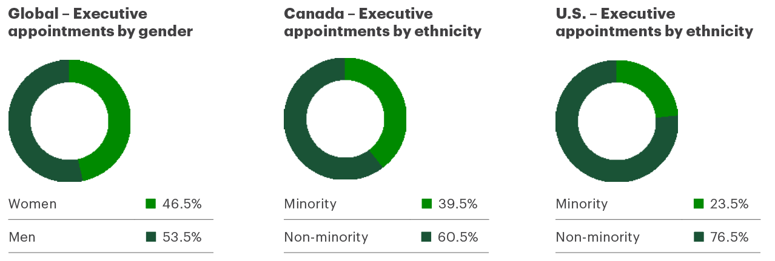

1 Disclosure includes men and women only. Although we collect data on individuals who identify as Non-Binary, Two-Spirit or other gender identities, we do not currently disclose this information. Totals may not add up given that this subset of data is not disclosed.
2 Executive appointments include all promotions into Associate Vice President (AVP) and above.
3 Gender results are reported at the global level; however, the results for ethnicity are reported separately for Canada and U.S.
End of worksheet.

Employee Engagement
This sheet shows Employee Engagement, Overall Employee Experience, and Pulse Survey Results in tables with accompanying notes.
Social Performance
Colleague Development, Retention and Well-being
Table of Contents
Employee Engagement
Objective | 2023 Target | 2022 Target | Progress | 2022 Result | 2022 Result - 2 | 2021 Result1 | 2021 Result1 - 2 | 2020 Result2 | 2020 Result2 - 2
Provide a great place to work3 | 85% | 85% | Met | ✓ | 85% | ✓ | 84% | ✓ | 85%
Provide an inclusive place to work4,5 | 84% | – | Met |  | 87% |  | – |  | –

1 Fiscal year 2021 target was 84%.
2 Fiscal year 2020 target was 82%.
3 TD measures employee engagement using the TD Pulse Survey, which asks colleagues to rate their level of commitment and connection to TD and their role along three dimensions (intention to stay, pride in working at TD and job satisfaction) on a scale of one to five: Strongly Disagree (1), Disagree (2), Neither Agree Nor Disagree (3), Agree (4) and Strongly Agree (5). The percentages represent the average proportion of overall respondents who either agreed (4) or strongly agreed (5) with the first three statements shown in the Pulse Survey Results table.
4 The first year this data was disclosed was fiscal 2022.
5 Target is based on achieving the 75th percentile of a global benchmark – a three-year rolling benchmark updated annually consisting of over 600 companies and 10 million responses, spanning geographies and industries.

Overall Employee Experience
Blank | Blank2 | 2022 | Blank3 | 2021 | Blank4 | 2020
Overall Experience1 | ✓ | 85% | ✓ | 84% | ✓ | 85%
Women2 |  | 87% |  | 86% |  | 86%
Men2 |  | 85% |  | 84% |  | 85%
Inclusion KPI3 |  | 87% |  | –4 |  | –4
Women |  | 88% |  | –4 |  | –4
Men |  | 88% |  | –4 |  | –4

1 TD measures employee engagement using the TD Pulse Survey, which asks colleagues to rate their level of commitment and connection to TD and their role along three dimensions (intention to stay, pride in working at TD and job satisfaction) on a scale of one to five: Strongly Disagree (1), Disagree (2), Neither Agree Nor Disagree (3), Agree (4) and Strongly Agree (5). The percentages under “Overall Experience” represent the average proportion of respondents in each group who either agreed (4) or strongly agreed (5) with the first three statements shown in the Pulse Survey Results table.
2 Disclosure includes men and women only. Although we collect data on individuals who identify as Non-Binary, Two-Spirit or other gender identities, we do not currently disclose this information. Totals may not add up given that this subset of data is not disclosed.
3 The Inclusion KPI is measured on a five-point scale and assesses colleagues’ sense of belonging and authenticity.
4 The first year this data was disclosed was fiscal 2022.

Pulse Survey Results1
Blank | 2022 | 2021 | 2020
My work gives me a personal feeling of accomplishment | 83% | 81% | 81%
I plan to be with TD one year from now | 85% | 83% | 86%
I am proud to say I work for TD | 89% | 89% | 90%
TD is doing the right things to make a positive impact in the communities in which it does business | 89% | 88% | 90%
TD is doing the right things to make a positive impact on the environment | 87% | 86% | 88%
TD supports employees’ ambitions to get involved in corporate responsibility initiatives (e.g., community or environmental initiatives) | 87% | 87% | 89%

1 The percentages shown are the percentage of respondents selecting “Agree (4)” or “Strongly Agree (5)” on a scale of one to five.

Employee Engagement Index1

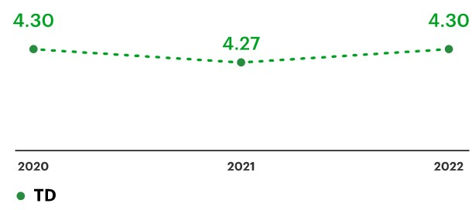
1 TD measures employee engagement using the TD Pulse Survey, which asks colleagues to rate their level of commitment and connection to TD and their role along three dimensions (intention to stay, pride in working at TD and job satisfaction) on a scale of one to five: Strongly Disagree (1), Disagree (2), Neither Agree Nor Disagree (3), Agree (4) and Strongly Agree (5). Data shown as the average of all responses to the first three questions in the Pulse Survey Results table, with Strongly Disagree (1), Disagree (2), Neither Agree Nor Disagree (3), Agree (4), Strongly Agree (5) on a scale of one to five.
End of worksheet.

